Bug reports
Field | Example | Attachment
ID | 1 | 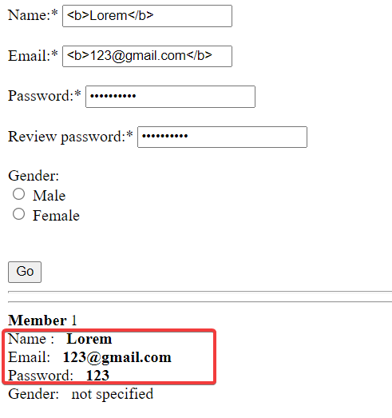
Project | testJS_form.html
Issue Type | Bug
Summary | Login Page: In all inputs XSS injection works
Description | Pre condition:
 | STR: 1. Open site: testJS_form.html 2.In the "Name" field, enter "<b>Lorem</b>" 3 .In the "Email" field, enter "<b>123@gmail.com</b>" 4. In the "Password" field, enter "<b>123</b>" 5. In the "Review password" field, enter "<b>123</b>" 6. In radio button "Gender", not to choose 7. Click "Go"
 | ACT: The information displayed written in bold type XSS injection works
 | EXP: The information entered during registration is correctly displayed below the registration form
Reporter | Anna
Priority | High
Severity | Critical
Environment | Windows 10 Home x64; Google Chrome 97.0.4692.99; Test
Linked Issues | Test Case ID 3; Checklist ID 1
Assignee
Epic link
Sprint

Field | Example | Attachment
ID | 2 | 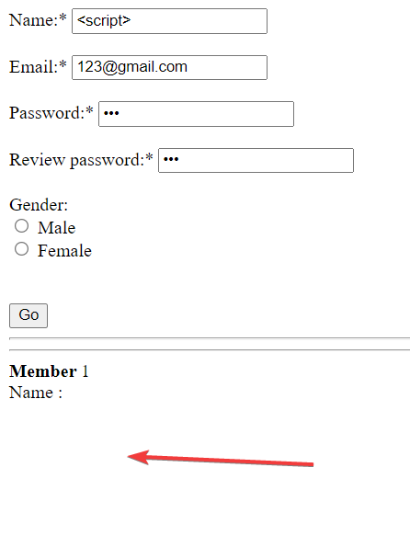
Project | testJS_form.html
Issue Type | Bug
Summary | Login Page: In all inputs XSS injection works
Description | Pre condition:
 | STR: 1. Open site: testJS_form.html 2.In the "Name" field, enter "<script>" 3 .In the "Email" field, enter "123@gmail.com" 4. In the "Password" field, enter "123" 5. In the "Review password" field, enter "123" 6. In radio button "Gender", not to choose 7. Click "Go"
 | ACT: The information displayed written in bold type XSS injection works
 | EXP: The information entered during registration is correctly displayed below the registration form
Reporter | Anna
Priority | High
Severity | Critical
Environment | Windows 10 Home x64; Google Chrome 97.0.4692.99; Test
Linked Issues | Checklist ID 1; Bug report 1
Assignee
Epic link
Sprint

Field | Example | Attachment
ID | 3 | 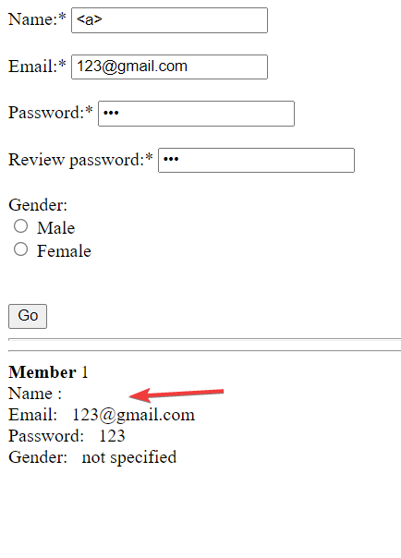
Project | testJS_form.html
Issue Type | Bug
Summary | Login Page: In all inputs XSS injection works
Description | Pre condition:
 | STR: 1. Open site: testJS_form.html 2.In the "Name" field, enter "<a>" 3 .In the "Email" field, enter "123@gmailcom" 4. In the "Password" field, enter "123" 5. In the "Review password" field, enter "123" 6. In radio button "Gender", not to choose 7. Click "Go"
 | ACT: The information displayed written in bold type XSS injection works
 | EXP: The information entered during registration is correctly displayed below the registration form
Reporter | Anna
Priority | High
Severity | Critical
Environment | Windows 10 Home x64; Google Chrome 97.0.4692.99; Test
Linked Issues | Checklist ID 1; Bug report 1; ; Bug report 2
Assignee
Epic link
Sprint

Field | Example | Attachment
ID | 4 | 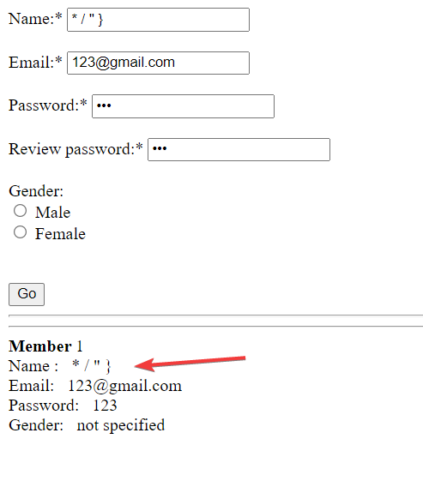
Project | testJS_form.html
Issue Type | Bug
Summary | Login Page: Possible to inject in field "Name" invalid characters
Description | Pre condition:
 | STR: 1. Open site: testJS_form.html 2.In the "Name" field, enter "* / " }" 3 .In the "Email" field, enter "123@gmailcom" 4. In the "Password" field, enter "123" 5. In the "Review password" field, enter "123" 6. In radio button "Gender", not to choose 7. Click "Go"
 | ACT: In field "Name" displayed invalid characters
 | EXP: The information entered during registration is correctly displayed below the registration form
Reporter | Anna
Priority | Low
Severity | Minor
Environment | Windows 10 Home x64; Google Chrome 97.0.4692.99; Test
Linked Issues | Checklist ID 1
Assignee
Epic link
Sprint

Field | Example | Attachment
ID | 5 | 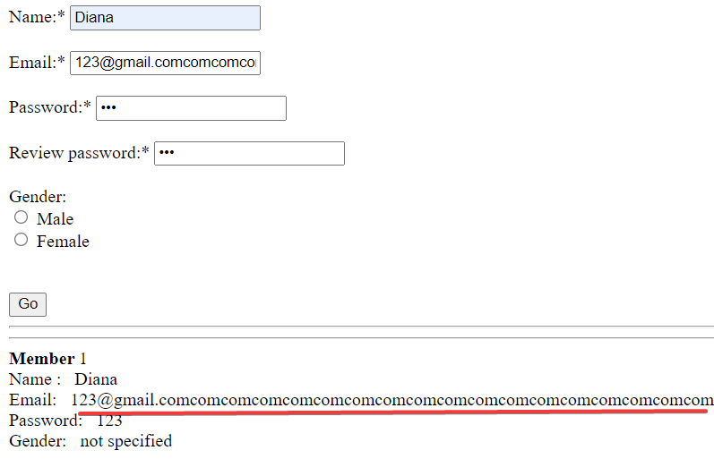
Project | testJS_form.html
Issue Type | Bug
Summary | Login Page: Possible to inject extra long field "Email" value
Description | Pre condition:
 | STR: 1. Open site: testJS_form.html 2.In the "Name" field, enter "Diana" 3 .In the "Email" field, enter extra long value 4. In the "Password" field, enter "123" 5. In the "Review password" field, enter "123" 6. In radio button "Gender", not to choose 7. Click "Go"
 | ACT: In field "Email" displayed extra long value
 | EXP: The information entered during registration is correctly displayed below the registration form
Reporter | Anna
Priority | Low
Severity | Minor
Environment | Windows 10 Home x64; Google Chrome 97.0.4692.99; Test
Linked Issues | Checklist ID 1
Assignee
Epic link
Sprint

Field | Example | Attachment
ID | 6 | 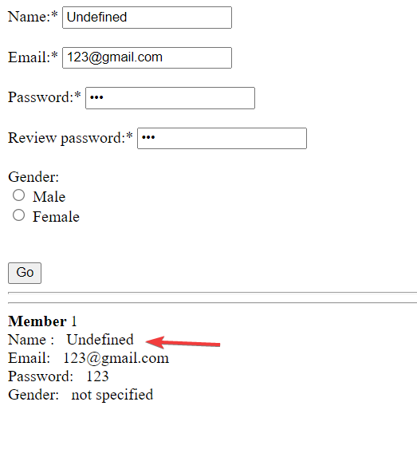
Project | testJS_form.html
Issue Type | Bug
Summary | Login Page: Possible to inject value null NaN Undefined in field "Name"
Description | Pre condition:
 | STR: 1. Open site: testJS_form.html 2.In the "Name" field, enter "Undefined" 3 .In the "Email" field, enter "123@gmailcom" 4. In the "Password" field, enter "123" 5. In the "Review password" field, enter "123" 6. In radio button "Gender", not to choose 7. Click "Go"
 | ACT: In field "Name" displayed Undefined
 | EXP: The information entered during registration is correctly displayed below the registration form
Reporter | Anna
Priority | Low
Severity | Minor
Environment | Windows 10 Home x64; Google Chrome 97.0.4692.99; Test
Linked Issues | Checklist ID 1
Assignee
Epic link
Sprint

